
 |  |  |  | CODE: |  |  | pl1235 aa SN from 98A100
DESCRIPTION: |  | BRUSHES ø380 |  | BURSTEN ø380 | BROSSES ø380 | CEPILLOS ø380 | SPAZZOLE ø380
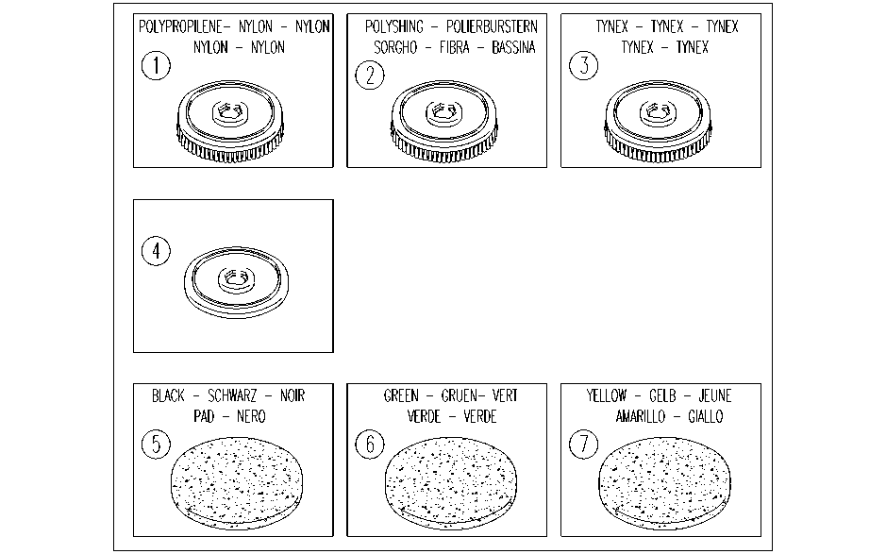

REF. | CODE | DESCRIPTION | QT | BESCHREIBUNG | DESCRIPTION | DESCRIPCION | DESCRIZIONE
1 | AL02903 | POLYPROPYLENE BRUSH |  | NYLON BURSTEN | BROSSES NYLON | CEPILLOS NYLON | SPAZZOLA NYLON
2 | AL02911 | POLYSHING BRUSH |  | POLIERBURSTERN | BROSSES SORGHO | CEPILLOS FIBRA | SPAZZOLA BASSINA
3 | AL02904 | TYNEX BRUSHES |  | TYNEX BURSTERN | BROSSES TYNEX | CEPILLOS TYNEX | SPAZZOLA TYNEX
4 | AL02905 | PAD DRIVER |  | TREIBTELLERS | PLATEAUX PORTE DISQUE | PLATOS DE ARRASTER | DISCO TRASCINATORE
5 | AL02908 | STRIPPING PAD(BLACK) |  | SCHLEIFSCHEIBEN(SCHWARZ) | DISQUES ABRASIFS(NOIR) | DISCO ABRASIVOS(PAD) | DISCO ABRASIVO(NERO)
6 | AL02910 | STRIPPING PAD(GREEN) |  | SCHLEIFSCHEIBEN(GRUEN) | DISQUES ABRASIFS(VERT) | DISCO ABRASIVOS(VERDE) | DISCO ABRASIVO(VERDE)
7 | AL02909 | STRIPPING PAD(YELLOW) |  | SCHLEIFSCHEIBEN(GELB) | DISQUES ABRASIFS(JEUNE) | DISCO ABRASIVOS(AMARILLO) | DISCO ABRASIVO(GIALLO)

